Sheet1
Key Findings:
1. Customer Segmentation:
After segmentanig Customers with respect to different aspects I have found that :
For Wealth segment:
"Mass Customer" has the highest count in this particular segment.
Also the highest average tenure is acquired by "High Net Worth" customers.

For Gender:
It is obseved that there are more "Female" customers.
Also there are more "Male" customers in the segment of average of past_3_years_bike_related_purchases.

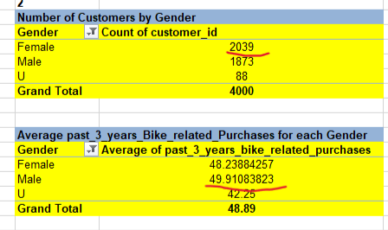

For Customers of each Job Industry:
most of the customers are came from manufacturing background
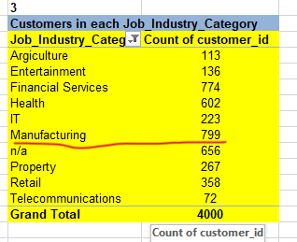

2. Transaction Analysis:
Poduct Performance Analysis:
the brand named "Solex" has the highest sales.
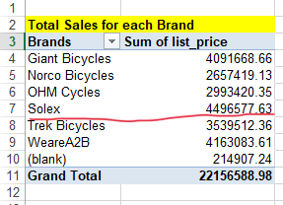

the product line named as "Road" has the higest sale price
and the product line termed as "Touring" has the highest average Sale price.
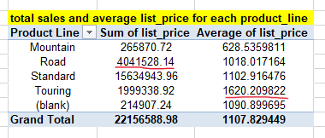

The customers having the Customer IDs as 936,941,1129,1140,1302,1597,1887,2183,2309,2788
are the top 10 customers by total sale

Also average number of purchases per customer is 5.72

also from the seasonal trend I have found that the the August month has the highest amount of sales
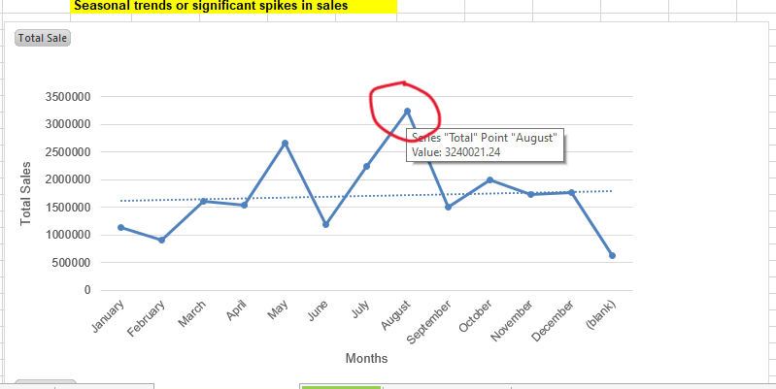

3. New Customer Insights:
After analyzing the pivot table I have get some following ideas that
1. Highest "Affluent customers(Wealth_Segment)" are came from the Financial Services job category.
2. Highest "High Net Worth(Wealth_Segment)" customers are came from Manufacturing sector.
3. Highest "Mass Customers(Wealth_Segment)" belong to Financial Services Job category.

Also after analyzing the chart of distribution of "new customers by state" I have seen that most of the new customer come from the state "NSW".

4. Customer Lifetime Value (CLV) Analysis:

From CLV analysis we get the insigh that customers that belong to "High Net Worth" category have the highest CLV

i.e. this "High Net Worth" customers are the most profitable and should be prioritized for retention efforts.
Female customers from the "Retail" sector have the highest CLV and also male customers from the "Retal" sector have the highest CLV.

Recommendations for Business Strategy Based on Customer Data Analysis:

1. Marketing Strategies Targeting High-Value Customer Segments:

High-value customers contribute the most to revenue, and therefore, businesses should focus on maintaining and growing this segment. Here are some specific marketing strategies:

Personalized Marketing Campaigns:

Leverage customer data to create personalized emails, advertisements, and promotions tailored to high-value customers. Use their purchase history and preferences to suggest complementary products or services they are likely to be interested in.
Implement customer journey mapping to understand the decision-making process of high-value customers and deliver the right messages at each stage (awareness, consideration, purchase, and post-purchase).

Exclusive Offers and Loyalty Programs:

Introduce loyalty programs with rewards that resonate with high-value customers, such as exclusive access to limited-edition products, early access to sales, or personalized discount offers.
Offer VIP or membership benefits like free shipping, birthday gifts, or a concierge service, which enhance the customer experience and reinforce loyalty.

Referral Programs:

Encourage high-value customers to refer friends and family by offering them incentives (e.g., discounts, free products). Since they are more likely to trust recommendations from their peers, this could be an effective way to expand your customer base with high-quality leads.

Targeted Advertising:

Use paid advertising (e.g., Google Ads, Facebook Ads) with audience targeting features to specifically target high-value customers.

Enhanced Customer Service:

Provide dedicated customer service representatives to high-value customers, offering them a premium experience. A VIP hotline or exclusive support team can make customers feel valued and ensure satisfaction.

2. Potential Areas for Business Expansion Based on New Customer Location Analysis:

Expanding into new geographical areas can provide a significant boost to business growth, especially if certain locations show high customer demand or untapped potential. Here's how you can analyze and strategize expansion based on new customer location data:

Analyze Customer Density:

Using geographical data, identify regions where new customers have been concentrated. Look for areas with high growth potential or underserved markets. Utilize mapping software (such as Google Maps, Tableau, or Excel Power Map) to visualize customer locations and detect trends.

Demographic Segmentation:

Research the demographics of areas with high concentrations of new customers. Consider targeting locations where there is a high concentration of affluent individuals, young professionals, or families, depending on your product's target audience.

Local Market Research:

Conduct market research to understand the preferences, cultural factors, and purchasing habits in different geographic areas. This will allow you to adapt your marketing strategies to each region’s unique needs. Consider whether the product offerings or services should be tailored to fit the specific tastes and needs of new geographic segments.

Evaluate Competitor Presence:

Study the competition in potential expansion areas. If there is an opportunity to enter a market with few competitors, or if your product offers a distinct advantage over local offerings, this could be a strong case for expansion.

Optimize Delivery and Logistics:

Analyze the feasibility of meeting the logistical challenges of expanding into new locations. Consider partnerships with local suppliers, distribution centers, and transportation networks to minimize shipping costs and ensure timely delivery.

Opening Physical Locations:

If your product has a strong retail component or benefits from hands-on customer interaction (e.g., high-end bikes, fashion items), opening a brick-and-mortar store in high-potential cities could drive more sales.

3. Recommend Improvements in Product Offerings Based on Transaction Analysis:

Transaction data provides valuable insights into which products are performing well and which ones may need improvement. Based on the transaction analysis, the following improvements could be made to enhance product offerings:

Product Diversification:

Analyze Transaction Patterns: Review purchase histories and identify top-selling products. Are there complementary items that could increase overall sales? For example, if customers frequently purchase bike accessories alongside bikes, consider expanding your range of accessories, such as helmet designs, bike tools, or performance gear.
If certain product lines are underperforming, consider whether they could be improved with new features or designs that would attract more interest from customers.

Bundle Products:

Consider offering product bundles that encourage customers to purchase related items together. For example, if customers tend to buy bikes and helmets together, offer them as a package deal at a discounted price. This could also include providing maintenance kits with bike purchases.

Pricing Strategy:

Review price elasticity based on past transaction data. Do customers in certain segments respond better to premium pricing for higher-end products, or is there a demand for affordable, budget-friendly options?
Adjust your pricing strategy for each product segment, and consider offering tiered pricing where customers can select from basic, mid-range, or premium versions of products.

Quality and Feedback Integration:

Incorporate customer feedback and ratings into product development. If specific features of your product (e.g., bike quality, material durability) are frequently mentioned in reviews or customer surveys, consider improving these aspects.
Pay attention to return rates for specific products—this could indicate issues with quality or customer satisfaction. For example, if a particular bike model is frequently returned for being too heavy, consider redesigning it for better comfort and performance.

Seasonal or Trend-Based Products:

Track seasonal trends in transaction data. If bike purchases spike in the spring or summer, consider launching seasonal promotions or limited-edition products to capture more demand during peak times.
Keep an eye on emerging trends in biking, such as electric bikes or sustainable products, and consider expanding your product line to include these in-demand categories.

Conclusion:

By focusing on high-value customers with personalized marketing, expanding into high-potential geographical areas, and refining your product offerings based on transaction analysis, your business can enhance profitability, drive growth, and increase customer satisfaction. These strategies, when executed effectively, can lead to long-term success by optimizing existing customer relationships and attracting new, profitable customer segments.

